Sheet1
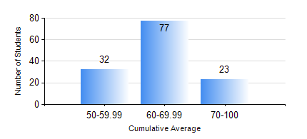
 |  |  | KWAME NKRUMAH UNIVERSITY OF SCIENCE AND TECHNOLOGY, KUMASI Department of Geomatic Engineering

 |  |  | BSC. GEOMATIC ENG.

 |  |  | COMPREHENSIVE RECORD OF EXAMINATION RESULTS

 |  |  | RESULTS OF YEAR 1 SECOND SEMESTER, 2018/2019 ACADEMIC YEAR

 | Sn | Course Code |  | Course Name | Credit Hours | Min. Mark | Max. Mark | Avg. Mark | Std. Dev. | No. Passed | No. Trailed | No. (Df) | No. (I) | No. (I*) | No. Tagged(I,I*,Df) | Total
 | 0. |  |  |  |  |  |  | 0 | 0 | 0 | 0 | 0 | 0 | 0 | 0 | 1
 | 1. | EE 152 |  | BASIC ELECTRONICS | 2 | 40 | 92 | 63 | 9.93 | 131 | 0 | 0 | 0 | 0 | 0 | 131
 | 2. | ENGL 158 |  | COMMUNICATION SKILLS II | 2 | 42 | 77 | 60 | 7.37 | 131 | 0 | 0 | 0 | 0 | 0 | 131
 | 3. | GE 152 |  | CARTOGRAPHY II | 3 | 42 | 85 | 61 | 8.39 | 131 | 0 | 0 | 0 | 0 | 0 | 131
 | 4. | GE 158 |  | INTRODUCTION TO INFORMATION TECHNOLOGY | 3 | 33 | 90 | 73 | 9.45 | 130 | 1 | 0 | 0 | 0 | 0 | 131
 | 5. | GE 162 |  | BASIC SURVEY PRINCIPLES II | 3 | 46 | 87 | 65 | 8.52 | 131 | 0 | 0 | 0 | 0 | 0 | 131
 | 6. | GE 192 |  | PRACTICAL TASK I | 3 | 62 | 88 | 74 | 5.66 | 131 | 0 | 0 | 0 | 0 | 0 | 131
 | 7. | MATH 152 |  | CALCULUS WITH SEVERAL VARIABLES | 4 | 47 | 81 | 60 | 6.41 | 131 | 0 | 0 | 0 | 0 | 0 | 131

